1.Title Page
Customer Sales Analysis

Project Name: Instacart Grocery Basket Analysis
Date: July 12 , 2021
Analyst Name: Marian Kaitu

Contents:
Data Citation
Population Flow
Consistency checks
Wrangling steps
Column derivations
Visualizations
Recommendations

2.Data Citation
 | Title page
Data Citation

“The Instacart Online Grocery Shopping Dataset 2017”, Accessed from https://www.instacart.com/datasets/grocery-shopping-2017 on February 14, 2021

3.Population Flow
Title page

Population flow

Exclusion flag
Condition: max_order <
Obervations to be removed:
Final total count of order_products_all:

Orders_products_combined
Orders_products_merged
Orders_products_all

Total: 32,404,859
Total: 32,434,489
Total: 32,404,859

1.) The grey boxes in the first row of the population flow represent the original data sets as they were when you downloaded them. In the Total fields you need to add the count of the rows when you imported the data set into Jupyter.
2.) The second row of boxes (coloured) represents the data sets after you manipulated them, e.g., removed missing values and duplicates. In the Total fields you need to add the count of the rows after conducting these operations. This offers a visual oveview of how the data flows throughout the data consistency checks.
3.) The third row, where also the arrows are coloured, represents the merges you performed between the datasets. In the Total fields you need to add the count of the rows in the merged datasets, so that you end up with the final dataset (in the red box). Keep in mind the final dataset should be without exclusions (based on the exclusion flag).

4.Consistency Checks
 |  |  |  | Title page
Consistency checks

Dataset | Missing values | Missing values treatment | Duplicates
orders | days_since_prior_order | New variabled created to flag missing value rows as New/First time customers | None
products | product_name | Removed rows from dataframe | 5 duplicate rows removed
orders_products_prior | None | n/a | None
customers | None (after removal of first & last names due to PII) | n/a | None

5. Wrangling Steps
 |  |  |  | Title page
Wrangling steps

Columns dropped | Columns renamed | Columns' type changed | Comment/Reason
Orders df: ['eval_set'] |  |  | Not beneficial to analysis
 | Orders df: order_dow' |  | Changed to order_day_of_week for more descriptive title
 |  | Orders df: order_id | Changed to string data type, descriptive analysis not needed on column
 |  | Orders df: user_id | Changed to string data type, descriptive analysis not needed on column
Customers df: First Name |  |  | PII, removed to protect customers information
Customers df: Surnam |  |  | PII, removed to protect customers information
 | Customers df: 'n_dependants' |  | Changed to 'number_dependants' for more descriptive title
 | Customers df: 'fam_status' |  | Changed to 'marital_status' for more descriptive title
 | Customers df: 'STATE' |  | Changed to 'State' so column follows capitilization format of other columns
 | Customers df: 'Age' |  | Changed to 'Customer_Age' for more descriptive title
Orders_Products_Merged df: busiest day |  |  | Duplicate column after creation of plural 'Busiest Days' column
Orders_Products_All df: Pet Order Flag |  |  | Column no longer needed after 'Pet Owner' column created
Orders_Products_All df: Baby Order Flag |  |  | Column no longer needed after 'Baby Household' column created

6. Column derivations
 |  |  |  | Title page

Column derivations and aggregations

In this tab you should add tables below that the frequences of flags/label variables that you produced after deriving them. NB: don't do this for continuous variables, only for flags.
Dataset | New column | Column/s it was derived from | Conditions
Orders_Products_Merged | Price_Range_loc | prices | Price>15 results in High-range, Price <=15 but >5 results in Mid-range, Price =<5 results in Low-range
Orders_Products_Merged | busiest_day | orders_day_of_week | Day 0 is busiest, Day 4 is Least busiest, all others are Regularly busy
Orders_Products_Merged | busiest_days (plural now) | orders_day_of_week | Day 0 & 1 are busiest, Day 3 & 4 are Least busiest, all others are Regularly busy
Orders_Products_Merged | busiest_period_of_day | order_hour_of_day | Hour <= 5 results in Fewest orders, Hour >=10 and <=15 result in Most Orders, Hour >=6, <=9, 12 or >=16 result in Average Orders
Orders_Products_Merged | loyalty_flag | max_order | Max order >40 is loyal customer, Max order >10 & <=40 is Regular customer, Max order <=10 is New Customer
Orders_Products_Merged | frequent_customer_flag | order_frequency | Frequency >20 is Non-frequent, Frequency >10 & <=20 is Regular, Frequency <=10 is Frequent
Orders_Products_All | Region | State | Created four regions based on list of States
Orders_Products_All | Activity_Flag | order_number | Order number <5 is Low Activity, Order number >=5 is High Activity
Orders_Products_All | Parent_Status | customer_age & number_dependants | Created four parent categories based on two variables
Orders_Products_All | Income Level | income | Created three income categories based on income
Orders_Products_All | Pet Owner | Pet Order Flag | Aggregated orders in pet department to create flag, used flag to create pet owner column
Orders_Products_All | Baby Household | Baby Order Flag | Aggregated orders in baby department to create flag, used flag to create baby household column

7. Visualizations
Title page

Visualisations

In this tab you should include all the visualtions from Exercises 4.9 and 4.10, alongside the questions from the project brief that they answer. Include any commentary on the relationship between different variables.

QUESTION: Is there a more popular day of week or hour of the day that customers shop?

Number of Orders Placed Each Day
Number of Orders Placed Each Hour
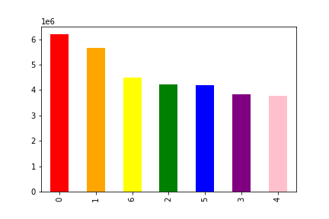


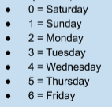

Saturday & Sunday see the greatest number of orders placed while Tuesday & Wednesday see the fewest number of orders.
Very few orders are placed between 10pm - 6am while the most popular hours are 9am - 4pm. The hours of 6am - 9am and 4pm - 10pm see a steady amount of orders.

QUESTION: In terms of loyalty, what category of customers placed the greatest number of orders?

Number of Orders Placed by Loyalty Category

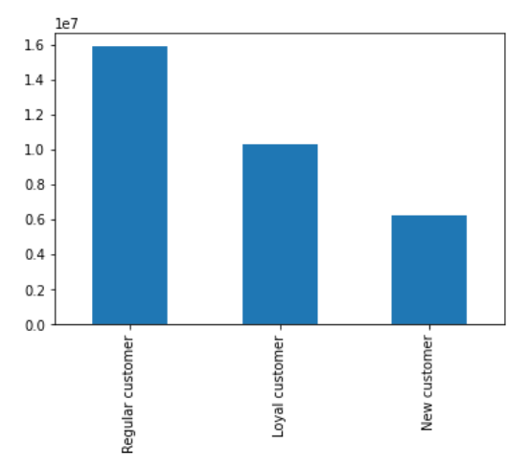

Regular customers make up roughly 50% of all customers followed by Loyal customers & then New customers.

QUESTION: Is there a day of week or hour of the day that customers spend the most money?

Average Price of Products Purchased Each Hour
Average Price of Products Purchased Each Day of Week
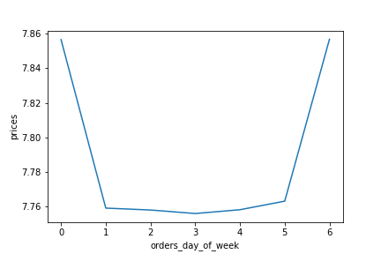
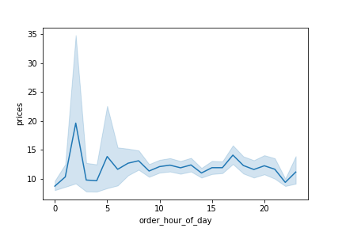

Customers appear to purchase higher priced items on Friday & Saturday.
Customers appear to purchase the most expensive items at 2am while the least expensive items are purchased between 10pm - 1am.

QUESTION: Is there a connect between age and family status? Between age and spending power?

Average Number of Dependents by Age
Average Income by Age
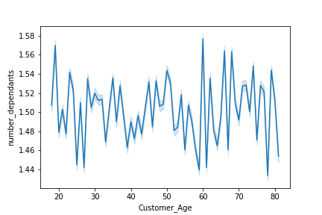

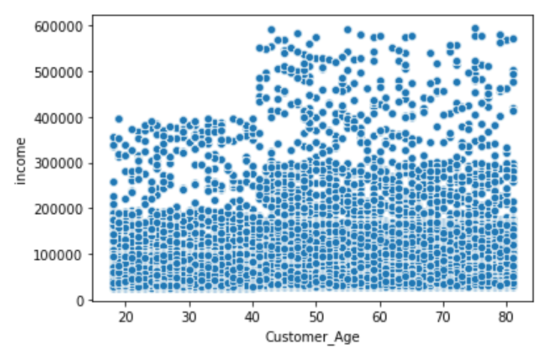

No trends emerge between number of dependents and age. The number of dependens varies greatly for each age group.
Income sees an evident increase once customers reach the age of 40. It remains fairly consistent between the ages of 40 to 80 & is fairly consistent between the ages of 16-40.

QUESTION: What is the distribution of customer profiles?

Distribution of Parent Status
Distribution of Baby Households
Distribution of Income Levels
Distribution of Pet Owners

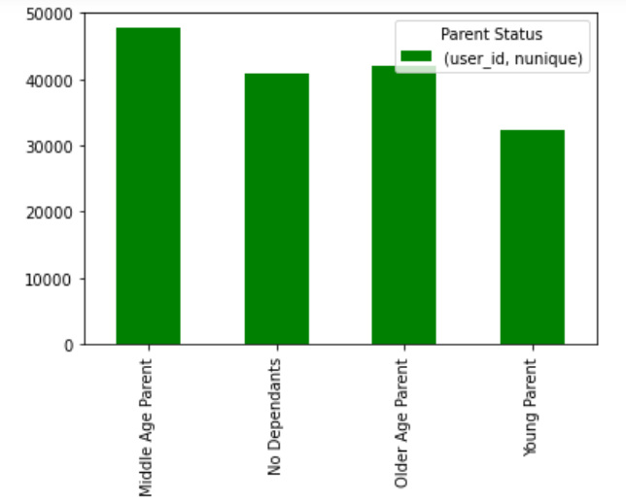
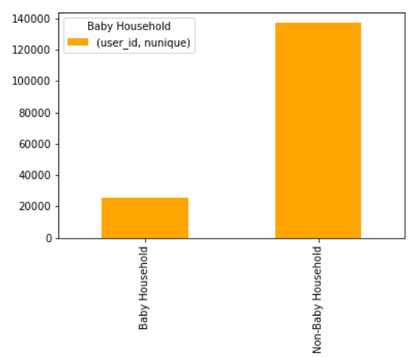
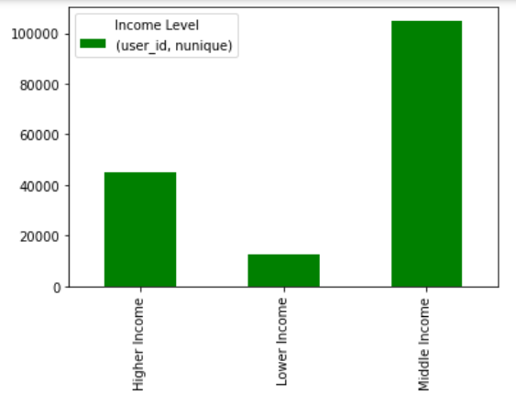
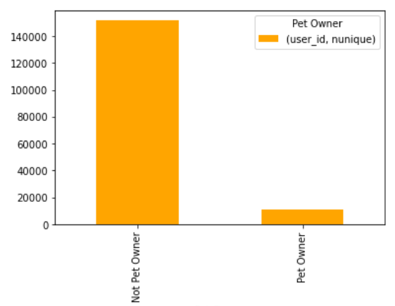

Middle-aged parents make up the largest percentage of customers closely followed by older-aged parents, then customers with no dependents and finally young parents.
The number of non-baby households are roughly 7 times the amount of baby households.
Middle income families make up more than 60% of customers followed by higher income families. Lower income families make up the smallest percentage of our customers.
The number of non-pet owners are more than 7 times the amount of pet owners.

QUESTION: What is the distribution of customer profiles among regions?

Distribution of Parent Status by Region
Distribution of Baby Household by Region
Distribution of Income Level by Region
Distribution of Pet Owner by Region

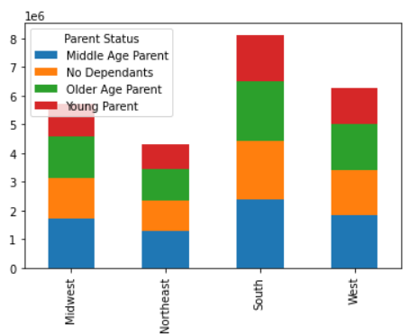
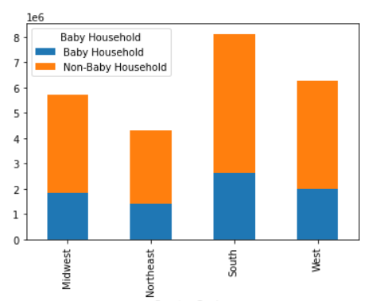
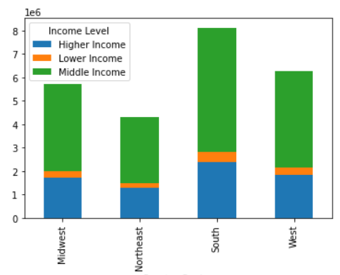
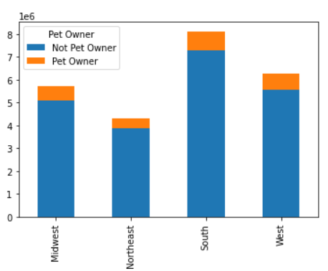

'No dependents' customers make up 25% of each region while 'young parents' make up 20% of each region. 'Middle aged' make up the largest percentage in the 29-30% range while 'older aged' make up the second largest percentage at 25-26%.
All regions have equal proportions of baby households (32%) versus non baby households (68%).
Lower income customers make up 5% of each region. Middle income customers make up the largest proportion at 65-66% followed by higher income at 29-30% of each region.
Pet owners are clearly less common in all regions making up 10-11% of each region. The Midwest, Northeast & West all have 89% non pet owners and 11% pet owners. The South has the highest percentage of non pet owners at 90%.

QUESTION: What is the distribution of customer profiles among departments?

Distribution of Income Level by Department
Distribution of Pet Owner by Department
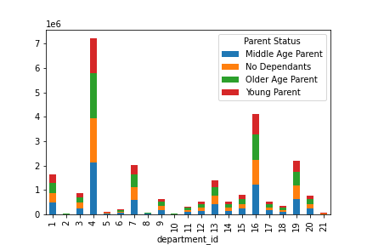
Distribution of Parent Status by Department
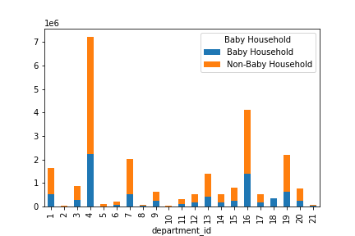
Distribution of Baby Household by Department
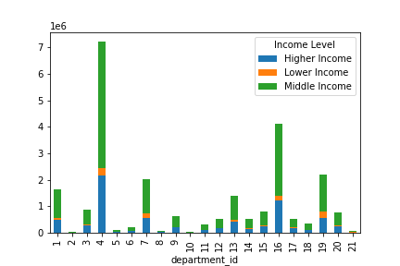
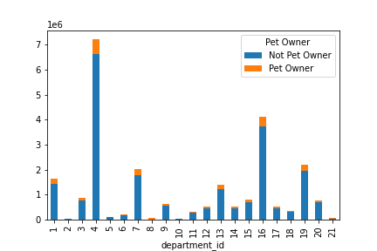

Each income level places roughly the same percentage of orders from each department - Higher Income always make up the largest percentage followed by Middle Income then Lower Income.
Percentages to note include:
*Middle income groups purchase the least from Departments 5 (alcohol) & 8 (pet)
*Lower income consistently make up 4-6% of most departments but this increases greatly in Department 19 (snacks) where they make up 11%
*The percentage of Higher income orders on the otherhand drop to 26% for snacks (the lowest percentage) for higher income
*Higher income customers largest percentage spent is in deparments 8 (pets) & 12(meat/seafood)
'Middle aged' customers make up the largest percentage in every department ranging rom 28-30%. 'No dependents' & 'older aged' customers alternate between the second & third largest percentages in each department at 25-26%. 'Young parents' are the smallest percentage in each department at 19-21%.
Percentages to note include:
* Produce & Dairy/eggs are by far the most popular departments for each age group.
* Surprisingly, all categories (including No Dependants) purchase items from the Baby department. Perhaps as gifts?
Baby households consistently make up 29-34% of all departments while of course making up 100% of department 18 (baby).
Percentages to note include:
* Baby households smallest percentage is in Department 5 (alcohol) at a very low 15% which in turn makes Non-baby households largest percentage be at 85% for Department 5 (alcohol).
Pet owners consistently make up 8-12% of all departments while of course making up 100% of department 8 (pets).
Percentages to note include:
*Pet owners smallest percentage is in Department 10 (bulk)
*Non-pet owners smallest percentage is Department 5 (alcohol) & Department 17 (household)

8. Recommendations
 |  |  |  |  | Title page

Recommendations

In this tab you should include any recommendations you would made to Instcart in terms of their marketing strategy based on the questions posed in the brief. Every key question has been covered in the Tasks of the Exercises - here you need to add an item - a visualisation or table/crosstable that is showing the answer in the data, acompanied by a comment from you. Please, list the questions below and add the answer underneath.

Question | Answer |  | Visualizations

Number of Orders Placed Each Day
Number of Orders Placed Each Hour
The sales team needs to know what days of the week and hours of the day are the busiest (i.e., the days and times with the most orders) in order to schedule ads at times when there are fewer orders. |  | With weekends being the busiest, I would recommend ads be run on week days to help with Mon - Fri order volume. With the most popular hours being 9am - 4pm & least popular hours being 10pm - 6am, I would focus ads during 6pm - 10pm.

Average Price of Products Purchased Each Hour
The sales team also wants to know whether there are particular times of the day when people spend the most money, as this might inform the type of products they advertise at these times. |  | Surprisingly orders at 2am result in the highest average prices paid (perhaps emergency purchases?). Because marketing at such an uncommon time may not be worthwhile, I would recommend focusing advertising on the 2nd & 3rd highest paid times of 6am & 5pm.

Number of Products in Each Price Category
Instacart has a lot of products with different price tags. Marketing and sales want to use simpler price range groupings to help direct their efforts. |  | Products have been sorted into three price ranges: Price >15 results in High-range price, Price <=15 but >5 results in Mid-range price & Price =<5 results in Low-range price.

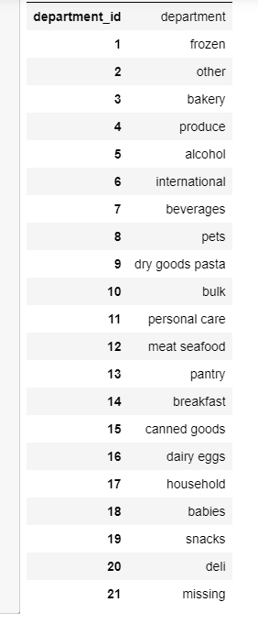
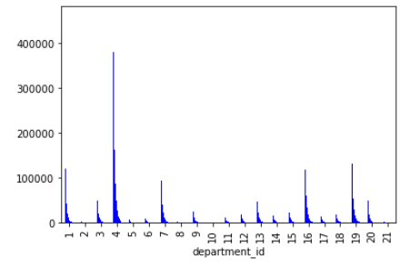
Number of Orders Placed in Each Department
Are there certain types of products that are more popular than others? The marketing and sales teams want to know which departments have the highest frequency of product orders. |  | Produce is by far the most popular department followed by snacks, dairy/eggs, frozen then beverages.

Number of Orders Placed by each Loyalty Category
What’s the distribution among users in regards to their brand loyalty (i.e., how often do they return to Instacart)? |  | Roughly 50% of customers are regulars. Marketing efforts should focus on how to change this large percentage of regular customers to loyal ones. Campaigns could also focus on how to retain the small amount of new customers to ensure they become regulars.

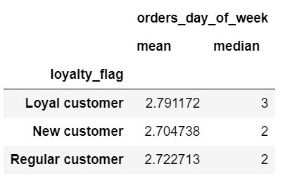
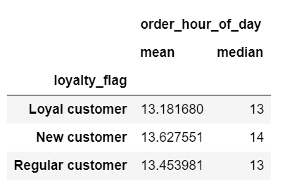
Are there differences in ordering habits based on a customer’s loyalty status? |  | Loyal customers tend to shop slightly later in the week compared to New & Regular customers. Loyal customers also tend to shop during earlier hours of the day.

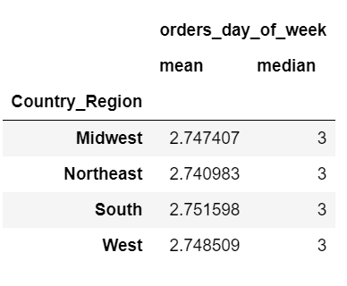
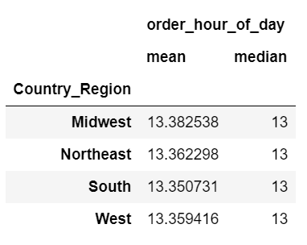
Are there differences in ordering habits based on a customer’s region? |  | South customers shop the latest in the week while Northeast customers tend to shop earliest. The Midwest shops the latest in the day while the South shops the earliest in the day.

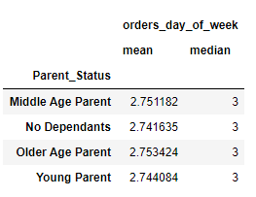
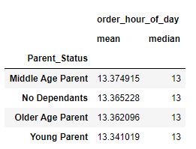

Is there a connection between age and family status in terms of ordering habits? |  | No dependents tend to shop the earliest in the week with Older Aged parents shopping the latest. By far young parents shop the earliest in the day while middle aged parents shop the latest in the day.

What different classifications does the demographic information suggest? Age? Income? Certain types of goods? Family status? |  | Based on the demographic information provided the following classifications were created: Parent Status (based on age & number of dependents), Income Level, Pet Owner vs Non-Pet Owner and Baby Household vs Non_Baby Household. Countless other classifications can be created depending on the needs of marketing and sales. |  | Visualizations on the distribution of these classifications can be seen on Tab 7 (visualizations).

Distribution of Baby Household by Department
What differences can you find in ordering habits of different customer profiles? Consider the price of orders, the frequency of orders, the products customers are ordering, and anything else you can think of. |  | Trends regarding Baby households = * Their least frequented Department is # 5 (alcohol) & they shop the earliest in the day.

Distribution of Income Level by Department
 |  | Trends regarding Income Level = *Middle income groups purchase the least from Departments 5 (alcohol) & 8 (pet) *Lower income consistently make up 4-6% of most departments but this increases greatly in Department 19 (snacks) where they make up 11% (Higher income orders on the otherhand drop to 26% for snacks (the lowest percentage) for higher income)

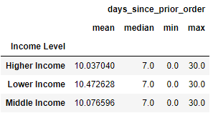

 |  | * Higher income families tend to shop most frequently while lower income families shop the least frequently

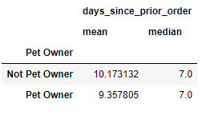
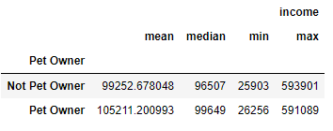
 |  | Trends regarding Pet Owners = * Pet owners typically have higher salaries

 |  | * Pet owners typically shop more frequently than non-pet owners

Total Spend by Parent Status
Distribution of Parent Status
 |  | Trends regarding Parent Status = * Middle-aged parents have the highest total spend & make up the largest percentage of all customers
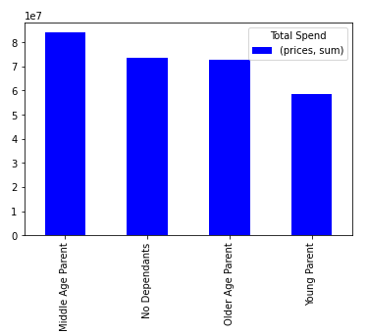

 |  | * Younger parents have the lowest total spend & maek up the smallest percentage of all customers

